Site establishment
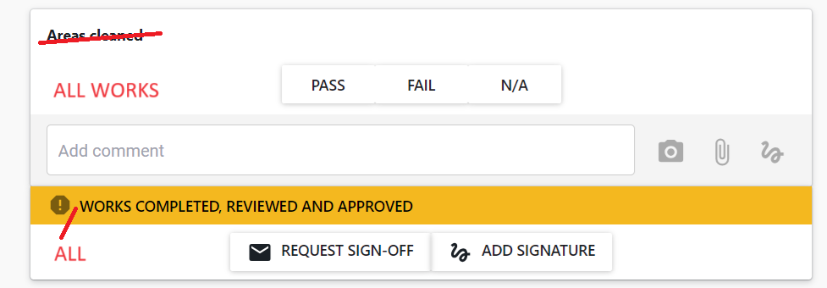
Site establishment
ACCESS | Secure ground entry | Pass/Fail/NA | same pass/fail/na checklist for each item in column B with comment function
 | Digital sign in | Pass/Fail/NA
 | Stair access | Pass/Fail/NA
 | Loading platform | Pass/Fail/NA
 | Secure upper building entry | Pass/Fail/NA
 | Carpark exclusion zones | Pass/Fail/NA
 | Public building entry zone | Pass/Fail/NA
 | Fire protection mainteance zone | Pass/Fail/NA
SIGNAGE | Hazard board | Pass/Fail/NA
 | Site contact | Pass/Fail/NA
 | Emergency evacuation plan | Pass/Fail/NA
 | Wayfinding signage | Pass/Fail/NA
 | Site Office | Pass/Fail/NA
 | Lunchroom | Pass/Fail/NA
 | Noticeboard | Pass/Fail/NA
FACILITIES | Site Office | Pass/Fail/NA
 | Lunchroom | Pass/Fail/NA
 | Toilet | Pass/Fail/NA
 | Waste management seperation | Pass/Fail/NA
 | Water connection | Pass/Fail/NA
 | Waste connection | Pass/Fail/NA
 | Power connection | Pass/Fail/NA
 | Data connection | Pass/Fail/NA
 | Printer/Scanner | Pass/Fail/NA
 | Hoardings External | Pass/Fail/NA
 | Hoardings Internal | Pass/Fail/NA
 | Hoarding access | Pass/Fail/NA
 | Acotusic Controls | Pass/Fail/NA
 | Dust Controls | Pass/Fail/NA
 | Sound Meter | Pass/Fail/NA
 | Fire Extinguisher | Pass/Fail/NA
 | First Aid Kit | Pass/Fail/NA
 | Plan Table | Pass/Fail/NA
DOCUMENTATION | Approved Site Specific Safety Plan | Pass/Fail/NA
 | Approved Construction Management Plan | Pass/Fail/NA
 | Approved Building Consent Documents | Pass/Fail/NA
 | Contact List | Pass/Fail/NA
 | Procore documentation established | Pass/Fail/NA
 | Procore invitations issued | Pass/Fail/NA
 | CONQA checklists established | Pass/Fail/NA

Request Signoff

